ETS Tax
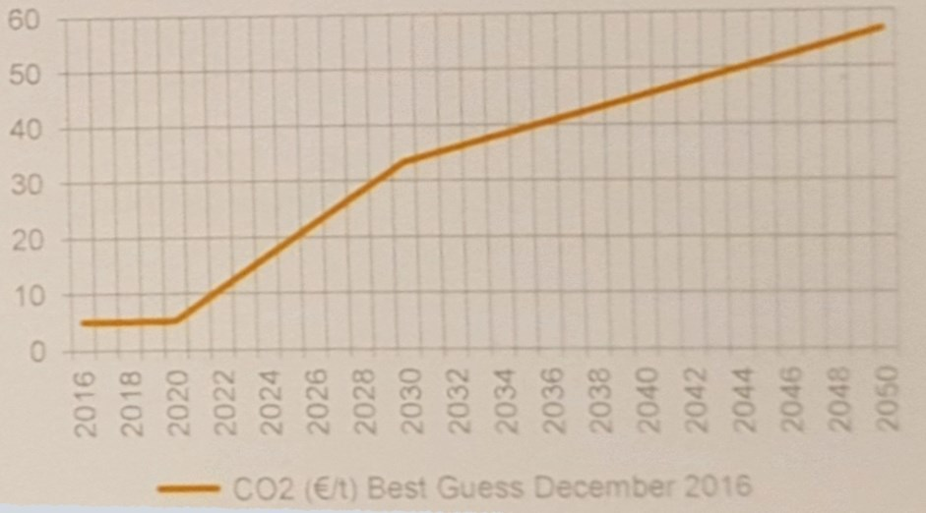
We add the cost of the European ETS carbon permits to the cost of
non-biomass, carbon-emitting fuels in the power sector (the only sector
covered by the ETS).

Cost of Carbon Emissions Allowances (Euro/ton CO2)
 | 2020 | 2025 | 2035 | 2050
Carbon permit price | 5 | 20 | 40 | 56

Cost of Carbon Emissions Allowances ($/ton CO2)
 | 2020 | 2025 | 2035 | 2050
Carbon permit price | 6 | 22 | 45 | 63

Cost of Carbon Emissions Allowances ($/g CO2)
 | 2020 | 2025 | 2035 | 2050
Carbon permit price | 5.61E-06 | 2.24E-05 | 4.49E-05 | 6.28E-05

Carbon Intensity of Fuels in Power Sector (g CO2/BTU)
See "PEI" variable for source information and calculations.
coal | 0.094214277468
natural gas | 0.053605429035
petroleum | 0.079512680194

Cost of Carbon Emissions Allowances ($/BTU)
 | 2020 | 2025 | 2035 | 2050
coal | 5.28E-07 | 2.11E-06 | 4.23E-06 | 5.92E-06
natural gas | 3.01E-07 | 1.20E-06 | 2.40E-06 | 3.37E-06
petroleum | 4.46E-07 | 1.78E-06 | 3.57E-06 | 4.99E-06

Cost of Carbon Emissions Allowances, Annualized ($/BTU)
 | 2015 | 2016 | 2017 | 2018 | 2019 | 2020 | 2021 | 2022 | 2023 | 2024 | 2025 | 2026 | 2027 | 2028 | 2029 | 2030 | 2031 | 2032 | 2033 | 2034 | 2035 | 2036 | 2037 | 2038 | 2039 | 2040 | 2041 | 2042 | 2043 | 2044 | 2045 | 2046 | 2047 | 2048 | 2049 | 2050
coal | -1.0566310106E-06 | -7.3964170742E-07 | -4.2265240424E-07 | -1.0566310106E-07 | 2.1132620212E-07 | 5.283155053E-07 | 8.4530480847E-07 | 1.1622941117E-06 | 1.4792834148E-06 | 1.796272718E-06 | 2.1132620212E-06 | 2.3245882233E-06 | 2.5359144254E-06 | 2.7472406275E-06 | 2.9585668297E-06 | 3.1698930318E-06 | 3.3812192339E-06 | 3.592545436E-06 | 3.8038716381E-06 | 4.0151978403E-06 | 4.2265240424E-06 | 4.3392313502E-06 | 4.451938658E-06 | 4.5646459658E-06 | 4.6773532736E-06 | 4.7900605814E-06 | 4.9027678892E-06 | 5.015475197E-06 | 5.1281825047E-06 | 5.2408898125E-06 | 5.3535971203E-06 | 5.4663044281E-06 | 5.5790117359E-06 | 5.6917190437E-06 | 5.8044263515E-06 | 5.9171336593E-06
natural gas | -6.0119506487E-07 | -4.2083654541E-07 | -2.4047802595E-07 | -6.0119506487E-08 | 1.2023901297E-07 | 3.0059753244E-07 | 4.809560519E-07 | 6.6131457136E-07 | 8.4167309082E-07 | 1.0220316103E-06 | 1.2023901297E-06 | 1.3226291427E-06 | 1.4428681557E-06 | 1.5631071687E-06 | 1.6833461816E-06 | 1.8035851946E-06 | 1.9238242076E-06 | 2.0440632206E-06 | 2.1643022335E-06 | 2.2845412465E-06 | 2.4047802595E-06 | 2.4689077331E-06 | 2.5330352067E-06 | 2.5971626802E-06 | 2.6612901538E-06 | 2.7254176274E-06 | 2.789545101E-06 | 2.8536725746E-06 | 2.9178000482E-06 | 2.9819275218E-06 | 3.0460549954E-06 | 3.1101824689E-06 | 3.1743099425E-06 | 3.2384374161E-06 | 3.3025648897E-06 | 3.3666923633E-06
petroleum | -8.9174980572E-07 | -6.24224864E-07 | -3.5669992229E-07 | -8.9174980572E-08 | 1.7834996114E-07 | 4.4587490286E-07 | 7.1339984457E-07 | 9.8092478629E-07 | 1.248449728E-06 | 1.5159746697E-06 | 1.7834996114E-06 | 1.9618495726E-06 | 2.1401995337E-06 | 2.3185494949E-06 | 2.496899456E-06 | 2.6752494172E-06 | 2.8535993783E-06 | 3.0319493394E-06 | 3.2102993006E-06 | 3.3886492617E-06 | 3.5669992229E-06 | 3.6621192021E-06 | 3.7572391814E-06 | 3.8523591607E-06 | 3.94747914E-06 | 4.0425991193E-06 | 4.1377190985E-06 | 4.2328390778E-06 | 4.3279590571E-06 | 4.4230790364E-06 | 4.5181990156E-06 | 4.6133189949E-06 | 4.7084389742E-06 | 4.8035589535E-06 | 4.8986789327E-06 | 4.993798912E-06

